Pinouts
ECU Sensor Pinout
Pin Name | Pin# | Sensor
Analog 1 | C-05 | Oxygen
Analog 2 | C-06 | Oil Pressure
Analog 3 | C-18 | Shock FR
Analog 4 | C-19 | Shock FL
Analog 5 | M-08 | Shock BR
Analog 6 | M-23 | Shock BL
Analog 7 | M-31 | Steering Angle
Analog 8 | M-15
Digital 1 | M-14 | WH SP FR
Digital 2 | M-13 | WH SP FL
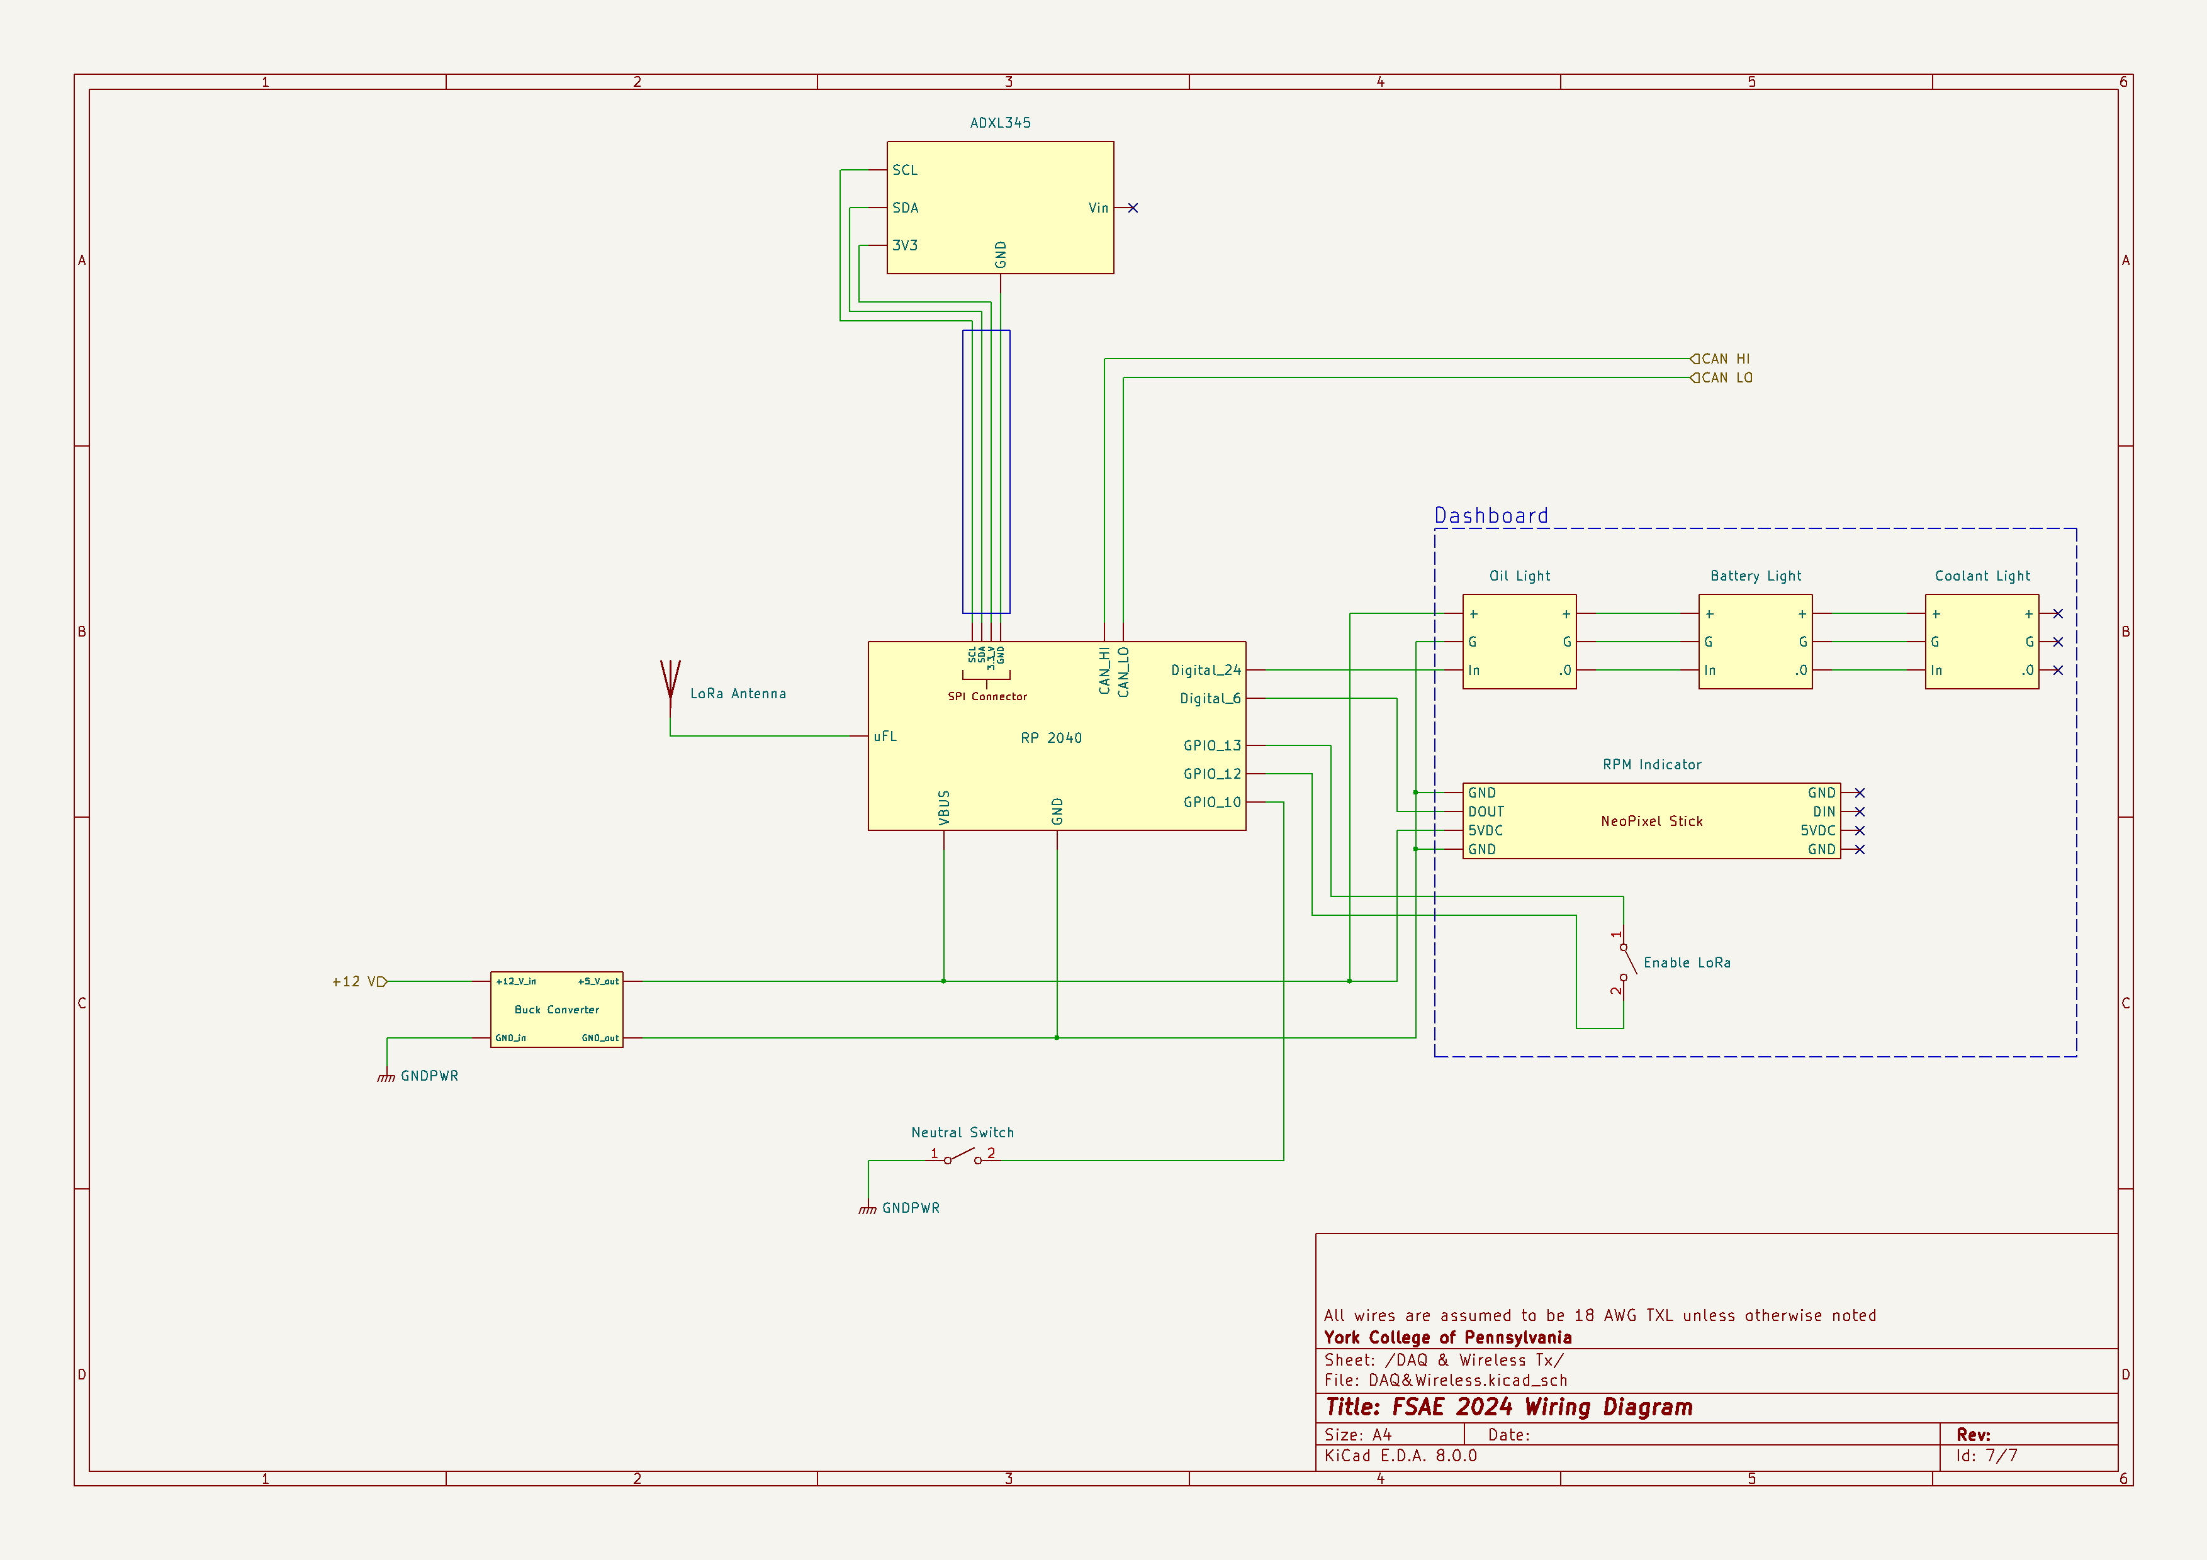
Digital 3 | C-16 | WH SP BR
Digital 4 | C-03 | WH SP BL

RP 2040 Pinouts
Pin Name | Functional | Device
STEMMA | SPI | Accelerometer
USB | 5V in | RP2040
GND | --- | ---
GPIO 13 | Set to GND | LoRa On/off
GPIO 12 | Connected to 13 | LoRa On/off
GPIO 6 | SDA | Neopixel Stick
GPIO 24 | SDA | Neopixels
CAN L | CAN Comms | to ECU C-07
CAN GND | --- | ---
CAN H | CAN Comms | to ECU C-08
uFL | LoRa Comms | LoRa Antenna

Chained Neopixels GPIO 24
Neopixels | Number
Battery Voltage | 0
Coolant Temp | 1
Oil Pressure | 2
Neutral Light | 3

 |  |  | Does not include level logic shifter

